Blad1
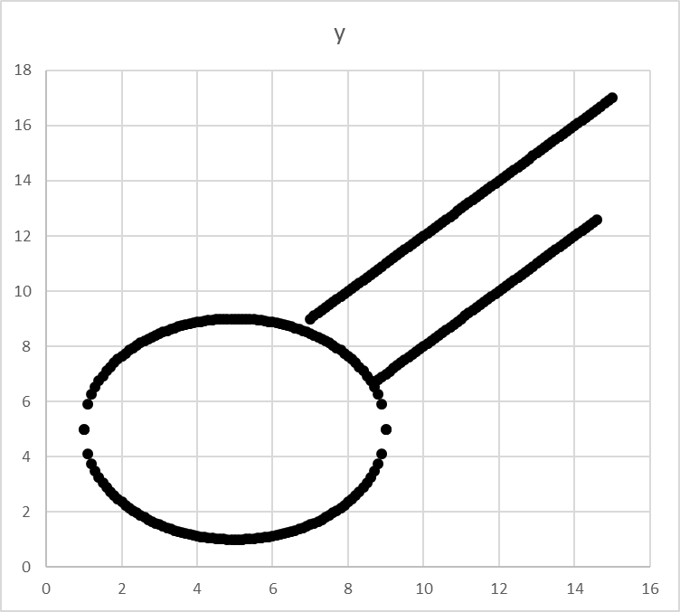
x | y | test | r | 5.9715599713 | 4
1 | #NUM! | #NUM! | x0 | 8.6698632904 | 5
1.1 | #NUM! | #NUM! | xy | 7.7974009777 | 5
1.2 | #NUM! | #NUM!
1.3 | #NUM! | #NUM! | a | 1
1.4 | #NUM! | #NUM! | b1 | 2
1.5 | #NUM! | #NUM! | b2 | -2
1.6 | #NUM! | #NUM!
1.7 | #NUM! | #NUM! | FITTING PARAMS
1.8 | #NUM! | #NUM! | r | 5.9715599713
1.9 | #NUM! | #NUM! | x0 | 8.6698632904
2 | #NUM! | #NUM! | y0 | 7.7974009777
2.1 | #NUM! | #NUM! | ersum | #NUM!
2.2 | #NUM! | #NUM!
2.3 | #NUM! | #NUM!
2.4 | #NUM! | #NUM!
2.5 | #NUM! | #NUM!
2.6 | #NUM! | #NUM!
2.7 | 7.9397413635 | 0
2.8 | 8.8947766852 | 0
2.9 | 9.3362986681 | 0
3 | 9.6714817549 | 0
3.1 | 9.9505733855 | 0
3.2 | 10.193256582 | 0
3.3 | 10.409698192 | 0
3.4 | 10.60597168 | 0
3.5 | 10.786053191 | 0
3.6 | 10.952716288 | 0
3.7 | 11.107988141 | 5.0487097934E-29
3.8 | 11.253404453 | 5.0487097934E-29
3.9 | 11.390162128 | 0
4 | 11.519215769 | 0
4.1 | 11.641341404 | 0
4.2 | 11.757180095 | 0
4.3 | 11.867268705 | 0
4.4 | 11.972062158 | 2.0194839174E-28
4.5 | 12.071949917 | 0
4.6 | 12.1672684 | 5.0487097934E-29
4.7 | 12.25831052 | 0
4.8 | 12.345333102 | 5.0487097934E-29
4.9 | 12.428562739 | 0
5 | 12.508200477 | 0
5.1 | 12.584425584 | 5.0487097934E-29
5.2 | 12.657398636 | 2.0194839174E-28
5.3 | 12.727264048 | 5.0487097934E-29
5.4 | 12.794152178 | 5.0487097934E-29
5.5 | 12.858181077 | 2.0194839174E-28
5.6 | 12.919457974 | 5.0487097934E-29
5.7 | 12.978080521 | 0
5.8 | 13.034137861 | 5.0487097934E-29
5.9 | 13.08771154 | 5.0487097934E-29
6 | 13.138876289 | 5.0487097934E-29
6.1 | 13.187700706 | 0
6.2 | 13.234247841 | 5.0487097934E-29
6.3 | 13.278575713 | 2.0194839174E-28
6.4 | 13.320737753 | 5.0487097934E-29
6.5 | 13.360783204 | 5.0487097934E-29
6.6 | 13.398757461 | 0
6.7 | 13.434702381 | 5.0487097934E-29
6.8 | 13.46865655 | 0
6.9 | 13.500655524 | 5.0487097934E-29
7 | 13.530732041 | 0
7.1 | 13.558916207 | 2.0194839174E-28
7.2 | 13.585235668 | 0
7.3 | 13.609715754 | 0
7.4 | 13.632379616 | 0
7.5 | 13.653248344 | 0
7.6 | 13.672341065 | 0
7.7 | 13.689675045 | 2.0194839174E-28
7.8 | 13.705265765 | 5.0487097934E-29
7.9 | 13.719126993 | 5.0487097934E-29
8 | 13.73127085 | 2.0194839174E-28
8.1 | 13.741707861 | 2.0194839174E-28
8.2 | 13.750447003 | 2.0194839174E-28
8.3 | 13.757495745 | 2.0194839174E-28
8.4 | 13.76286008 | 5.0487097934E-29
8.5 | 13.766544547 | 0
8.6 | 13.768552258 | 0
8.7 | 13.768884903 | 5.0487097934E-29
8.8 | 13.767542762 | 5.0487097934E-29
8.9 | 13.764524706 | 2.0194839174E-28
9 | 13.759828188 | 0
1 | #NUM! | #NUM!
1.1 | #NUM! | #NUM!
1.2 | #NUM! | #NUM!
1.3 | #NUM! | #NUM!
1.4 | #NUM! | #NUM!
1.5 | #NUM! | #NUM!
1.6 | #NUM! | #NUM!
1.7 | #NUM! | #NUM!
1.8 | #NUM! | #NUM!
1.9 | #NUM! | #NUM!
2 | #NUM! | #NUM!
2.1 | #NUM! | #NUM!
2.2 | #NUM! | #NUM!
2.3 | #NUM! | #NUM!
2.4 | #NUM! | #NUM!
2.5 | #NUM! | #NUM!
2.6 | #NUM! | #NUM!
2.7 | 7.6550605919 | 0
2.8 | 6.7000252701 | 0
2.9 | 6.2585032873 | 0
3 | 5.9233202004 | 0
3.1 | 5.6442285699 | 0
3.2 | 5.4015453736 | 0
3.3 | 5.1851037638 | 0
3.4 | 4.988830275 | 0
3.5 | 4.8087487647 | 0
3.6 | 4.6420856673 | 0
3.7 | 4.4868138143 | 0
3.8 | 4.341397502 | 5.0487097934E-29
3.9 | 4.2046398275 | 0
4 | 4.0755861864 | 0
4.1 | 3.9534605517 | 0
4.2 | 3.8376218605 | 0
4.3 | 3.7275332508 | 0
4.4 | 3.6227397971 | 0
4.5 | 3.5228520388 | 0
4.6 | 3.4275335553 | 0
4.7 | 3.3364914351 | 0
4.8 | 3.2494688536 | 0
4.9 | 3.166239216 | 5.0487097934E-29
5 | 3.0866014785 | 0
5.1 | 3.0103763716 | 5.0487097934E-29
5.2 | 2.9374033195 | 0
5.3 | 2.867537907 | 0
5.4 | 2.8006497778 | 5.0487097934E-29
5.5 | 2.7366208786 | 0
5.6 | 2.6753439818 | 5.0487097934E-29
5.7 | 2.6167214347 | 0
5.8 | 2.5606640943 | 0
5.9 | 2.5070904156 | 0
6 | 2.4559256663 | 5.0487097934E-29
6.1 | 2.4071012495 | 0
6.2 | 2.3605541141 | 0
6.3 | 2.3162262426 | 0
6.4 | 2.2740642023 | 0
6.5 | 2.2340187517 | 5.0487097934E-29
6.6 | 2.1960444946 | 0
6.7 | 2.1600995747 | 0
6.8 | 2.1261454054 | 0
6.9 | 2.094146431 | 5.0487097934E-29
7 | 2.0640699143 | 0
7.1 | 2.0358857481 | 5.0487097934E-29
7.2 | 2.0095662877 | 0
7.3 | 1.9850862016 | 0
7.4 | 1.9624223389 | 0
7.5 | 1.9415536118 | 0
7.6 | 1.9224608903 | 0
7.7 | 1.90512691 | 5.0487097934E-29
7.8 | 1.8895361902 | 0
7.9 | 1.875674962 | 5.0487097934E-29
8 | 1.8635311052 | 0
8.1 | 1.8530940945 | 5.0487097934E-29
8.2 | 1.8443549524 | 5.0487097934E-29
8.3 | 1.8373062102 | 5.0487097934E-29
8.4 | 1.8319418759 | 0
8.5 | 1.8282574082 | 0
8.6 | 1.8262496974 | 0
8.7 | 1.8259170524 | 0
8.8 | 1.8272591931 | 5.0487097934E-29
8.9 | 1.8302772496 | 0
9 | 1.8349737669 | 0
7 | 9 | 987.52061139
7.1 | 9.1 | 992.14249515
7.2 | 9.2 | 994.25102985
7.3 | 9.3 | 993.8381868
7.4 | 9.4 | 990.90553731
7.5 | 9.5 | 985.46425269
7.6 | 9.6 | 977.53510427
7.7 | 9.7 | 967.14846336
7.8 | 9.8 | 954.34430128
7.9 | 9.9 | 939.17218933
8 | 10 | 921.69129883
8.1 | 10.1 | 901.97040111
8.2 | 10.2 | 880.08786747
8.3 | 10.3 | 856.13166923
8.4 | 10.4 | 830.1993777
8.5 | 10.5 | 802.3981642
8.6 | 10.6 | 772.84480005
8.7 | 10.7 | 741.66565656
8.8 | 10.8 | 708.99670504
8.9 | 10.9 | 674.98351682
9 | 11 | 639.78126319
9.1 | 11.1 | 603.55471549
9.2 | 11.2 | 566.47824503
9.3 | 11.3 | 528.73582311
9.4 | 11.4 | 490.52102106
9.5 | 11.5 | 452.03701019
9.6 | 11.6 | 413.49656182
9.7 | 11.7 | 375.12204726
9.8 | 11.8 | 337.14543783
9.9 | 11.9 | 299.80830483
10 | 12 | 263.3618196
10.1 | 12.1 | 228.06675343
10.2 | 12.2 | 194.19347766
10.3 | 12.3 | 162.02196358
10.4 | 12.4 | 131.84178252
10.5 | 12.5 | 103.9521058
10.6 | 12.6 | 78.661704719
10.7 | 12.7 | 56.288950603
10.8 | 12.8 | 37.161814765
10.9 | 12.9 | 21.61786852
11 | 13 | 10.004283183
11.1 | 13.1 | 2.6778300688
11.2 | 13.2 | 0.0048804930298
11.3 | 13.3 | 2.3614057707
11.4 | 13.4 | 10.132977217
11.5 | 13.5 | 23.714766147
11.6 | 13.6 | 43.511543875
11.7 | 13.7 | 69.937681718
11.8 | 13.8 | 103.41715099
11.9 | 13.9 | 144.38352301
12 | 14 | 193.27996908
12.1 | 14.1 | 250.55926053
12.2 | 14.2 | 316.68376867
12.3 | 14.3 | 392.12546481
12.4 | 14.4 | 477.36592028
12.5 | 14.5 | 572.89630638
12.6 | 14.6 | 679.21739443
12.7 | 14.7 | 796.83955574
12.8 | 14.8 | 926.28276164
12.9 | 14.9 | 1068.0765834
13 | 15 | 1222.7601924
13.1 | 15.1 | 1390.88236
13.2 | 15.2 | 1573.0014573
13.3 | 15.3 | 1769.6854558
13.4 | 15.4 | 1981.5119268
13.5 | 15.5 | 2209.0680416
13.6 | 15.6 | 2452.9505715
13.7 | 15.7 | 2713.7658878
13.8 | 15.8 | 2992.1299618
13.9 | 15.9 | 3288.6683649
14 | 16 | 3604.0162684
14.1 | 16.1 | 3938.8184435
14.2 | 16.2 | 4293.7292616
14.3 | 16.3 | 4669.412694
14.4 | 16.4 | 5066.542312
14.5 | 16.5 | 5485.801287
14.6 | 16.6 | 5927.8823902
14.7 | 16.7 | 6393.487993
14.8 | 16.8 | 6883.3300667
14.9 | 16.9 | 7398.1301826
15 | 17 | 7938.619512
8.8 | 6.8 | 1200.4689512
8.9 | 6.9 | 1211.1261017
9 | 7 | 1219.0355725
9.1 | 7.1 | 1224.1701351
9.2 | 7.2 | 1226.5121606
9.3 | 7.3 | 1226.0536204
9.4 | 7.4 | 1222.7960859
9.5 | 7.5 | 1216.7507283
9.6 | 7.6 | 1207.938319
9.7 | 7.7 | 1196.3892292
9.8 | 7.8 | 1182.1434303
9.9 | 7.9 | 1165.2504936
10 | 8 | 1145.7695904
10.1 | 8.1 | 1123.7694921
10.2 | 8.2 | 1099.3285698
10.3 | 8.3 | 1072.5347951
10.4 | 8.4 | 1043.4857391
10.5 | 8.5 | 1012.2885732
10.6 | 8.6 | 979.06006875
10.7 | 8.7 | 943.92659699
10.8 | 8.8 | 907.02412927
10.9 | 8.9 | 868.49823689
11 | 9 | 828.50409118
11.1 | 9.1 | 787.20646345
11.2 | 9.2 | 744.77972501
11.3 | 9.3 | 701.40784719
11.4 | 9.4 | 657.28440129
11.5 | 9.5 | 612.61255863
11.6 | 9.6 | 567.60509053
11.7 | 9.7 | 522.4843683
11.8 | 9.8 | 477.48236326
11.9 | 9.9 | 432.84064672
12 | 10 | 388.81038999
12.1 | 10.1 | 345.6523644
12.2 | 10.2 | 303.63694125
12.3 | 10.3 | 263.04409187
12.4 | 10.4 | 224.16338756
12.5 | 10.5 | 187.29399964
12.6 | 10.6 | 152.74469944
12.7 | 10.7 | 120.83385825
12.8 | 10.8 | 91.889447403
12.9 | 10.9 | 66.249038208
13 | 11 | 44.259801981
13.1 | 11.1 | 26.278510037
13.2 | 11.2 | 12.671533691
13.3 | 11.3 | 3.8148442586
13.4 | 11.4 | 0.094013054689
13.5 | 11.5 | 1.9042113944
13.6 | 11.6 | 9.6502105929
13.7 | 11.7 | 23.746381965
13.8 | 11.8 | 44.616696827
13.9 | 11.9 | 72.694726492
14 | 12 | 108.42364228
14.1 | 12.1 | 152.2562155
14.2 | 12.2 | 204.65481746
14.3 | 12.3 | 266.0914195
14.4 | 12.4 | 337.04759291
14.5 | 12.5 | 418.01450902
14.6 | 12.6 | 509.49293914
14.7 | 12.7 | 611.99325458
14.8 | 12.8 | 726.03542667
14.9 | 12.9 | 852.14902671
15 | 13 | 990.87322602

